Macros

1

 | Financial Planning Tool

 | Please enable macros

 | 1. Excel 2007: Click the Microsoft Office Button , and then click Excel Options.
 | 1. Excel 2010: Click the File tab, and then click Options.

 | 2. In the Trust Centre category, click Trust Centre Settings, and then click the Macro Settings category.

 | 3. Select Enable all macros and click OK.

 | 4. Close the Excel Options window.

 | 5. Close and re-open the Financial Planning Tool.

Generic investment scenario
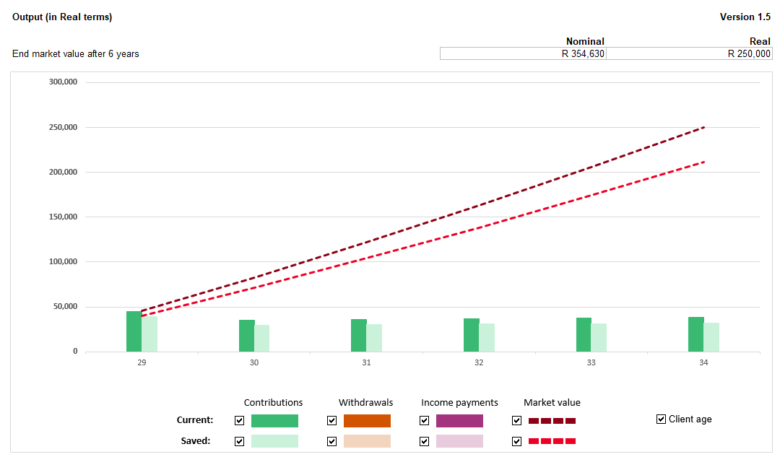
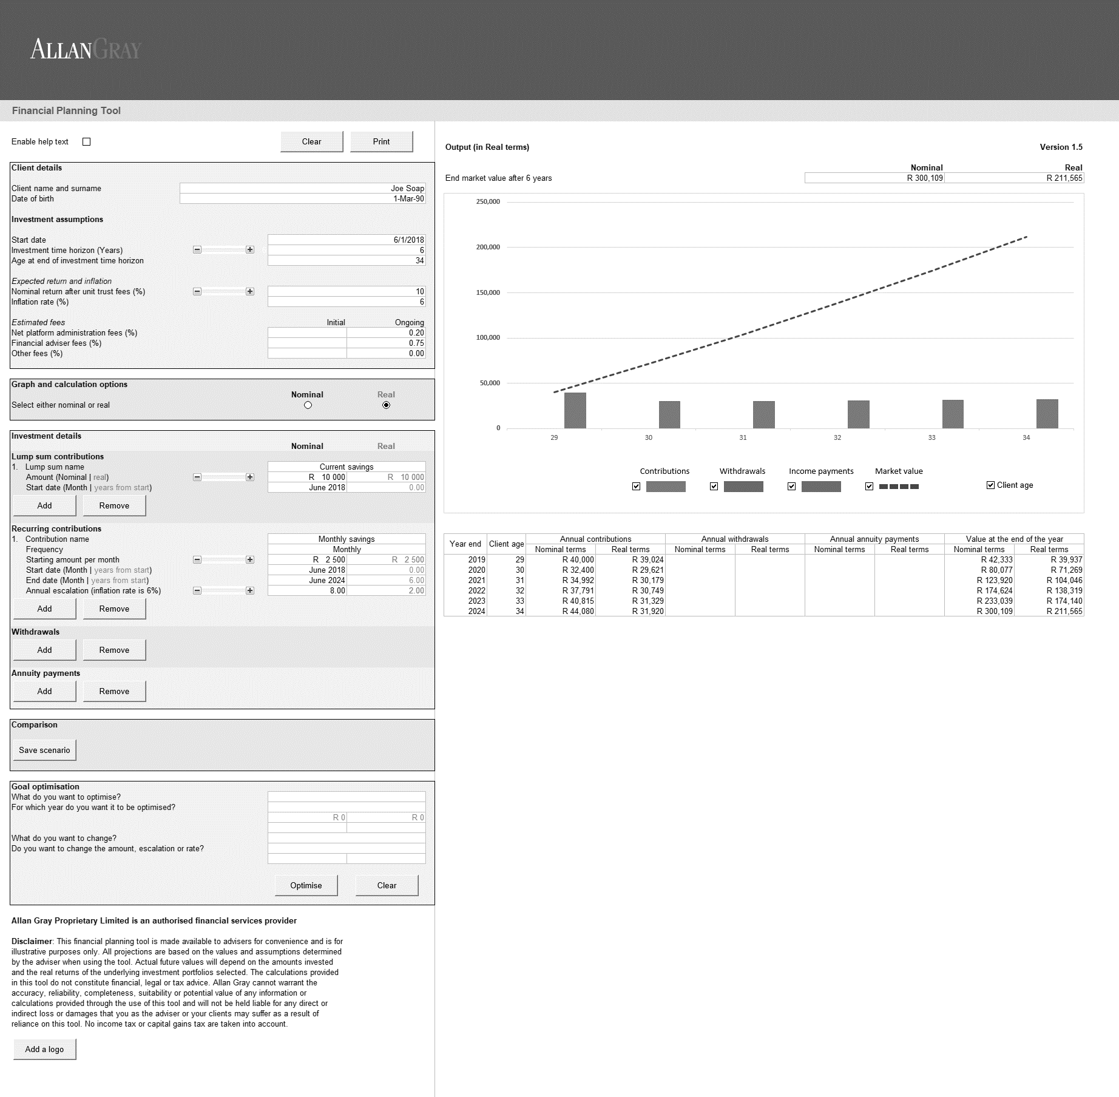
Scenario - saving for a generic investment goal
Joe Soap is 28 years old and would like to save for a deposit on a house. He currently has R10 000 savings in his bank account. He has R2 500 to save per month with an annual escalation of 8%. He would like know whether he will have enough money for a substantial deposit on a house in 6 years time.
Assumptions: a return of 10% p.a and an inflation rate of 6% p.a., with an ongoing advice fee of 0.75% and an ongoing administration fee of 0.2%

Scenario - saving for a generic investment goal using the goal optimisation function
Joe Soap would like to know by how much he needs to increase his monthly savings in order to have R250 000 for a deposit on a house.

Retirement savings scenario
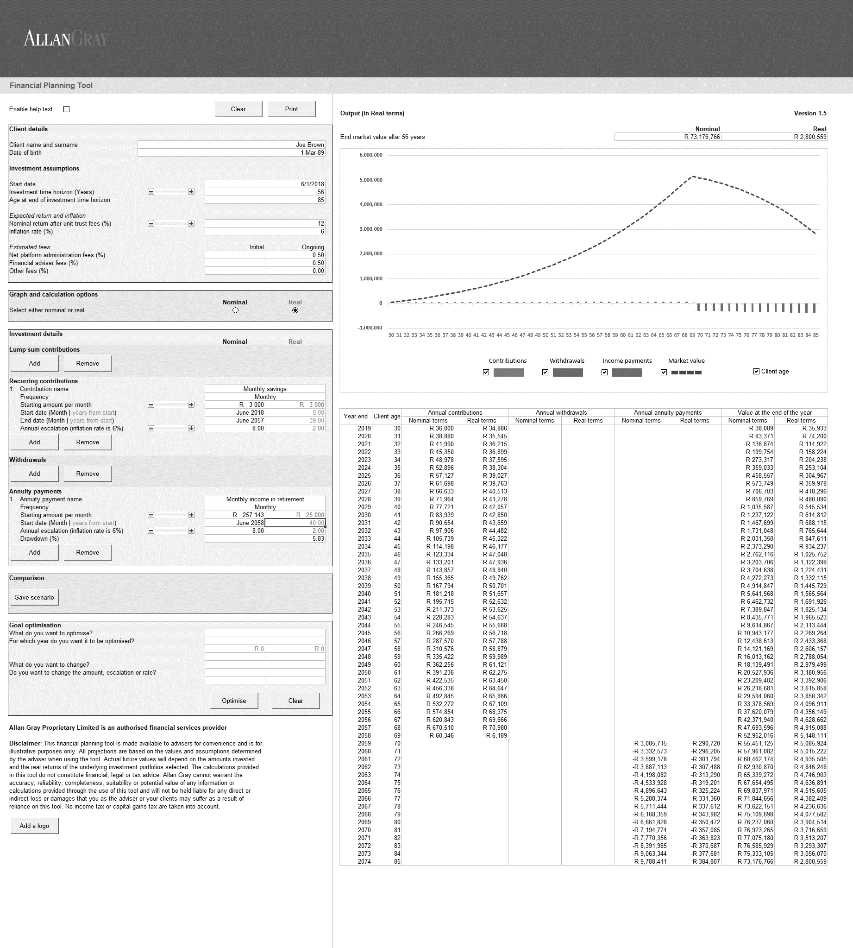
Scenario - saving for retirement and drawing an income
Joe Brown is 29 years old and would like to start saving for retirement. He expects to retire when he is 68 years old and would like his income in retirement to last until the age of 85. He currently has R3000 per month to save towards retirement with an annual increase of 8%. He would like assistance in knowing how much he will be able to draw monthly in retirement, in order for his income to last him until he is 85 years old.
Assumptions: a return of 12% p.a and an inflation rate of 6% p.a., with an ongoing advice fee of 0.5% and an ongoing administration fee of 0.5% and an initial real annuity payment of R25 000 p.m.

Print
Investment cashflow planning

This is an illustration for the purpose of discussion between the investor and the Financial Adviser.
It is intended to be a proposal to the investor and does not provide advice.

Client details

Client name and surname |  |  |  |  |  |  |  |  |  |  |  | Mr Example
Date of birth |  |  |  |  |  |  |  |  |  |  |  | 1970-01-01

Investment assumptions

Start date |  |  |  |  |  |  |  |  |  |  |  | 2024-12-21
Time horizon (Years) |  |  |  |  |  |  |  |  |  |  |  | 36
Age at end of time horizon |  |  |  |  |  |  |  |  |  |  |  | 90

Expected return and inflation
Nominal return after unit trust fees (%) |  |  |  |  |  |  |  |  |  |  |  | 9.00
Inflation rate (%) |  |  |  |  |  |  |  |  |  |  |  | 4.00

Estimated fees |  |  |  |  |  |  |  |  |  |  |  | Initial |  |  | Annual
Net platform administration fees (%) |  |  |  |  |  |  |  |  |  |  |  | 0.00 |  |  | 0.00
Financial adviser fees (%) |  |  |  |  |  |  |  |  |  |  |  | 0.00 |  |  | 0.00
Other fees (%) |  |  |  |  |  |  |  |  |  |  |  | 0.00 |  |  | 0.00

Initial fees are charged on each lump sum contribution and monthly debit order payment. Annual fees are calculated daily, charged and paid monthly in arrears, and are
based on the daily value of the investment account. Note: Where the Financial Adviser is a VAT vendor, VAT is payable on all initial fees and/or annual fees levied and
is deducted from the investor's investment and paid by the Administrator to SARS.

Investment details
Name |  |  | Frequency |  | Nominal amount |  | Real amount |  |  | Start date |  |  |  | End date |  | Escalation (%)
Liberty RA |  |  | Once-off |  | R 35,000 |  | R 35,000 |  |  | 2024-12-01 |  |  |  | Once-off |  | Once-off
Sanlam RA |  |  | Once-off |  | R 75,000 |  | R 75,000 |  |  | 2024-12-01 |  |  |  | Once-off |  | Once-off
Liberty Corporate |  |  | Once-off |  | R 500,000 |  | R 500,000 |  |  | 2024-12-01 |  |  |  | Once-off |  | Once-off
Liberty RA |  |  | Monthly |  | R 500 |  | R 500 |  |  | 2024-12-01 |  |  |  | 2035-11-01 |  | 4
Sanlam RA |  |  | Monthly |  | R 1,000 |  | R 1,000 |  |  | 2024-12-01 |  |  |  | 2035-11-01 |  | 4
Liberty Corporate Employer/Employee |  |  | Monthly |  | R 3,000 |  | R 3,000 |  |  | 2024-12-01 |  |  |  | 2035-11-01 |  | 4
Annuity payment 1 |  |  | Monthly |  | R 35,000 |  | R 22,810 |  |  | 2035-11-01 |  |  |  | 2124-11-01 |  | 4

Client Signature

Financial Adviser Signature

Allan Gray Proprietary Limited is an authorised financial services provider

Notes:

Output (in Nominal terms)
 |  |  |  |  |  |  |  |  |  |  | Nominal |  |  |  |  | Real
End market value after 36 years |  |  |  |  |  |  |  |  |  |  | R 240,177 |  |  |  |  | R 58,524

 | Withdrawals | Market value
55 | $ 0 | $ 721,498
56 | $ 0 | $ 845,294
57 | $ 0 | $ 982,587
58 | $ 0 | $ 1,134,685
59 | $ 0 | $ 1,303,018
60 | $ 0 | $ 1,489,150
61 | $ 0 | $ 1,694,787
62 | $ 0 | $ 1,921,797
63 | $ 0 | $ 2,172,217
64 | $ 0 | $ 2,448,273
65 | $ 0 | $ 2,717,144
66 | $ 0 | $ 2,520,071
67 | $ 0 | $ 2,291,809
68 | $ 0 | $ 2,077,711
69 | $ 0 | $ 1,883,613
70 | $ 0 | $ 1,707,648
71 | $ 0 | $ 1,548,121
72 | $ 0 | $ 1,403,498
73 | $ 0 | $ 1,272,384
74 | $ 0 | $ 1,153,520
75 | $ 0 | $ 1,045,759
76 | $ 0 | $ 948,065
77 | $ 0 | $ 859,498
78 | $ 0 | $ 779,205
79 | $ 0 | $ 706,412
80 | $ 0 | $ 640,420
81 | $ 0 | $ 580,593
82 | $ 0 | $ 526,354
83 | $ 0 | $ 477,183
84 | $ 0 | $ 432,605
85 | $ 0 | $ 392,191
86 | $ 0 | $ 355,553
87 | $ 0 | $ 322,338
88 | $ 0 | $ 292,225
89 | $ 0 | $ 264,926
90 | $ 0 | $ 240,177

Contributions
Withdrawals
Income payments
Market value

Year end | Client age | Annual contributions |  |  |  | Annual withdrawals |  |  | Annual annuity payments |  |  |  |  |  | Value at the end of the year
 |  | Nominal terms |  | Real terms |  | Nominal terms |  | Real terms | Nominal terms |  |  |  | Real terms |  | Nominal terms |  | Real terms
2025-11-30 | 55 | R 664,000 |  | R 663,041 |  |  |  |  |  |  |  |  |  |  | R 721,498 |  | R 693,748
2026-11-30 | 56 | R 56,160 |  | R 53,041 |  |  |  |  |  |  |  |  |  |  | R 845,294 |  | R 781,522
2027-11-30 | 57 | R 58,406 |  | R 53,041 |  |  |  |  |  |  |  |  |  |  | R 982,587 |  | R 873,516
2028-11-30 | 58 | R 60,743 |  | R 53,041 |  |  |  |  |  |  |  |  |  |  | R 1,134,685 |  | R 969,933
2029-11-30 | 59 | R 63,172 |  | R 53,041 |  |  |  |  |  |  |  |  |  |  | R 1,303,018 |  | R 1,070,986
2030-11-30 | 60 | R 65,699 |  | R 53,041 |  |  |  |  |  |  |  |  |  |  | R 1,489,150 |  | R 1,176,896
2031-11-30 | 61 | R 68,327 |  | R 53,041 |  |  |  |  |  |  |  |  |  |  | R 1,694,787 |  | R 1,287,899
2032-11-30 | 62 | R 71,060 |  | R 53,041 |  |  |  |  |  |  |  |  |  |  | R 1,921,797 |  | R 1,404,238
2033-11-30 | 63 | R 73,903 |  | R 53,041 |  |  |  |  |  |  |  |  |  |  | R 2,172,217 |  | R 1,526,171
2034-11-30 | 64 | R 76,859 |  | R 53,041 |  |  |  |  |  |  |  |  |  |  | R 2,448,273 |  | R 1,653,965
2035-11-30 | 65 | R 79,933 |  | R 53,041 |  |  |  |  | -R 35,000 |  |  |  | -R 22,810 |  | R 2,717,144 |  | R 1,765,005
2036-11-30 | 66 |  |  |  |  |  |  |  | -R 421,400 |  |  |  | -R 268,858 |  | R 2,520,071 |  | R 1,574,029
2037-11-30 | 67 |  |  |  |  |  |  |  | -R 434,074 |  |  |  | -R 266,338 |  | R 2,291,809 |  | R 1,376,401
2038-11-30 | 68 |  |  |  |  |  |  |  | -R 400,944 |  |  |  | -R 236,555 |  | R 2,077,711 |  | R 1,199,826
2039-11-30 | 69 |  |  |  |  |  |  |  | -R 363,488 |  |  |  | -R 206,208 |  | R 1,883,613 |  | R 1,045,904
2040-11-30 | 70 |  |  |  |  |  |  |  | -R 329,531 |  |  |  | -R 179,754 |  | R 1,707,648 |  | R 911,727
2041-11-30 | 71 |  |  |  |  |  |  |  | -R 298,747 |  |  |  | -R 156,694 |  | R 1,548,121 |  | R 794,764
2042-11-30 | 72 |  |  |  |  |  |  |  | -R 270,838 |  |  |  | -R 136,592 |  | R 1,403,498 |  | R 692,806
2043-11-30 | 73 |  |  |  |  |  |  |  | -R 245,537 |  |  |  | -R 119,069 |  | R 1,272,384 |  | R 603,928
2044-11-30 | 74 |  |  |  |  |  |  |  | -R 222,599 |  |  |  | -R 103,794 |  | R 1,153,520 |  | R 526,451
2045-11-30 | 75 |  |  |  |  |  |  |  | -R 201,804 |  |  |  | -R 90,478 |  | R 1,045,759 |  | R 458,914
2046-11-30 | 76 |  |  |  |  |  |  |  | -R 182,952 |  |  |  | -R 78,871 |  | R 948,065 |  | R 400,041
2047-11-30 | 77 |  |  |  |  |  |  |  | -R 165,861 |  |  |  | -R 68,753 |  | R 859,498 |  | R 348,721
2048-11-30 | 78 |  |  |  |  |  |  |  | -R 150,366 |  |  |  | -R 59,933 |  | R 779,205 |  | R 303,984
2049-11-30 | 79 |  |  |  |  |  |  |  | -R 136,319 |  |  |  | -R 52,244 |  | R 706,412 |  | R 264,987
2050-11-30 | 80 |  |  |  |  |  |  |  | -R 123,584 |  |  |  | -R 45,542 |  | R 640,420 |  | R 230,993
2051-11-30 | 81 |  |  |  |  |  |  |  | -R 112,039 |  |  |  | -R 39,699 |  | R 580,593 |  | R 201,359
2052-11-30 | 82 |  |  |  |  |  |  |  | -R 101,573 |  |  |  | -R 34,607 |  | R 526,354 |  | R 175,527
2053-11-30 | 83 |  |  |  |  |  |  |  | -R 92,084 |  |  |  | -R 30,167 |  | R 477,183 |  | R 153,009
2054-11-30 | 84 |  |  |  |  |  |  |  | -R 83,481 |  |  |  | -R 26,297 |  | R 432,605 |  | R 133,380
2055-11-30 | 85 |  |  |  |  |  |  |  | -R 75,683 |  |  |  | -R 22,923 |  | R 392,191 |  | R 116,269
2056-11-30 | 86 |  |  |  |  |  |  |  | -R 68,612 |  |  |  | -R 19,983 |  | R 355,553 |  | R 101,353
2057-11-30 | 87 |  |  |  |  |  |  |  | -R 62,203 |  |  |  | -R 17,419 |  | R 322,338 |  | R 88,351
2058-11-30 | 88 |  |  |  |  |  |  |  | -R 56,392 |  |  |  | -R 15,184 |  | R 292,225 |  | R 77,017
2059-11-30 | 89 |  |  |  |  |  |  |  | -R 51,124 |  |  |  | -R 13,236 |  | R 264,926 |  | R 67,136
2060-11-30 | 90 |  |  |  |  |  |  |  | -R 46,348 |  |  |  | -R 11,538 |  | R 240,177 |  | R 58,524

